Table 1

Selected Acquisition Report (SAR)
RCS: DD-A&T(Q&A)823-299
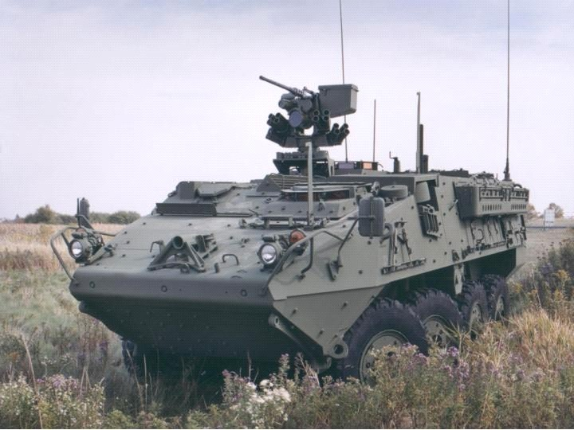
STRYKER
As of December 31, 2011
Defense Acquisition Management Information Retrieval
(DAMIR)

Table 8
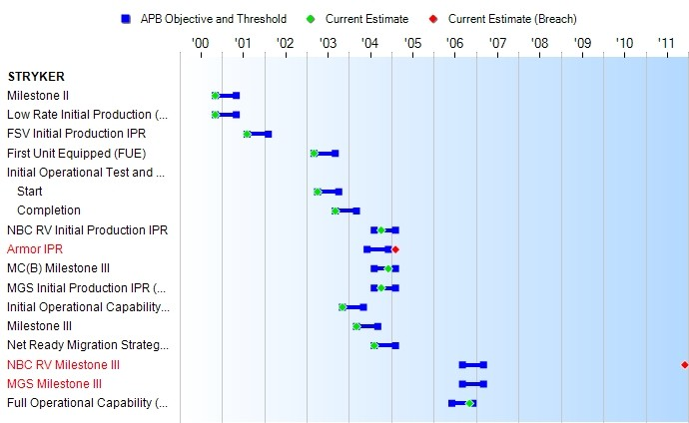
Schedule

Table 27
Unit Cost History
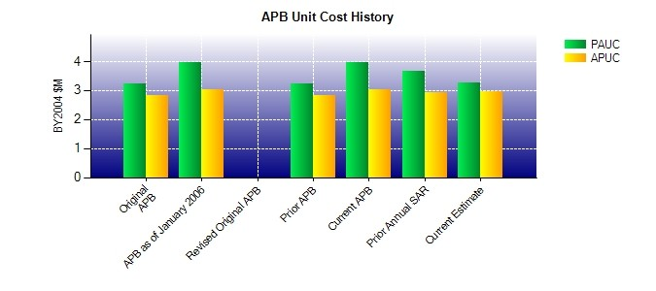
SAR Unit Cost History
Initial SAR Baseline to Current SAR Baseline (TY $M)
 |  |  |  |  |  |  |  |  |  |  | BY2004 $M |  |  |  |  |  | TY $M
 |  |  |  |  | Date |  |  |  |  |  | PAUC |  | APUC |  |  |  | PAUC |  |  | APUC
Original APB |  |  |  |  | NOV 2000 |  |  |  |  |  | 3.218 |  | 2.838 |  |  |  | 3.341 |  |  | 2.956
APB as of January 2006 |  |  |  |  | MAR 2004 |  |  |  |  |  | 3.949 |  | 3.033 |  |  |  | 4.072 |  |  | 3.128
Revised Original APB |  |  |  |  | N/A |  |  |  |  |  | N/A |  | N/A |  |  |  | N/A |  |  | N/A
Prior APB |  |  |  |  | NOV 2000 |  |  |  |  |  | 3.218 |  | 2.838 |  |  |  | 3.341 |  |  | 2.956
Current APB |  |  |  |  | MAR 2004 |  |  |  |  |  | 3.949 |  | 3.033 |  |  |  | 4.072 |  |  | 3.128
Prior Annual SAR |  |  |  |  | DEC 2010 |  |  |  |  |  | 3.671 |  | 2.926 |  |  |  | 4.034 |  |  | 3.212
Current Estimate |  |  |  |  | DEC 2011 |  |  |  |  |  | 3.251 |  | 2.950 |  |  |  | 3.589 |  |  | 3.269
Initial PAUC Dev Est | Changes |  |  |  |  |  |  |  |  |  |  |  |  |  |  |  |  |  | PAUC Prod Est
 | Econ |  | Qty |  |  | Sch |  | Eng |  | Est |  | Oth |  |  | Spt |  | Total
3.193 -0.077 0.111 0.004 0.006 0.896 0.000 -0.061 0.879 4.072
Current SAR Baseline to Current Estimate (TY $M)
PAUC Prod Est |  | Changes |  |  |  |  |  |  |  |  |  |  |  |  |  |  |  | PAUC Current Est
 |  | Econ |  | Qty |  |  | Sch |  | Eng | Est |  | Oth |  | Spt |  | Total
4.072 0.037 -0.591 -0.074 0.604 -1.049 0.000 0.589 -0.483 3.589

